Sheet1
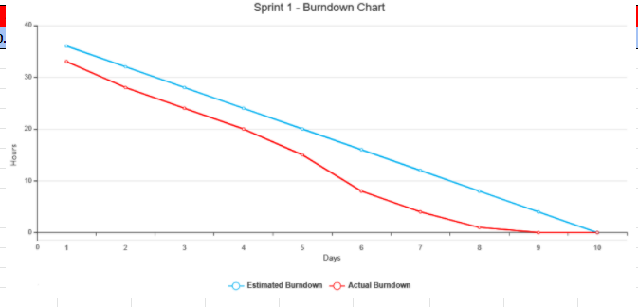
S.NO | Sprint | Task | Priya | Sunil | Kartik | Bharath | Pranav | Rahul | Start Date | End Date | Due date | Hours | Status
1 | Sprint0 | Project Selection and Project Approval | 1.5 | 3 | 2 | 1.5 | 1 | 1 | 2020-01-30 | 2020-02-27 | 2020-02-27 | 10 | Done
2 |  | Brainstorming and Requirement Gathering | 5 | 4 | 4.5 | 4.5 | 3 | 3 | 2020-01-30 | 2020-02-27 | 2020-02-27 | 24 | Done
3 |  | Presentation for deliverable 1 | 2 | 0 | 2 | 1 | 0 | 0 | 2020-01-30 | 2020-02-27 | 2020-02-27 | 5 | Done
4 |  | Peer to Peer 1 Review | 1 | 0 | 0 | 0 | 0 | 0 | 2020-02-26 |  | 2020-02-27 | 1 | Done
 | Sprint1 | Actual Hours | 9.5 | 7 | 8.5 | 7 | 4 | 4 | 2020-01-30 | 2020-02-27 | 2020-02-27 | 40
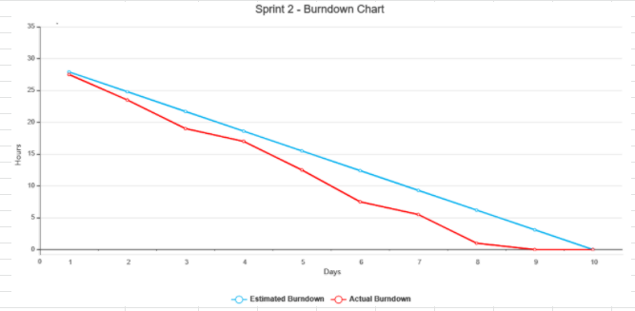
5 |  | Technology assessment, Prep for Sprint 2, Signup and login | 2 | 3 | 1.5 | 1 | 2.5 | 3 | 2020-02-28 | 2020-03-26 | 2020-03-26 | 10.5 | Done
6 |  | Created a AWS Account, rokognition and lexa | 0 | 0.5 | 0 | 0 | 0 | 0 | 2020-02-28 | 2020-03-26 | 2020-03-26 | 0.5 | Done
7 |  | New York Location Research and Product backlog | 1 | 0.5 | 0.5 | 1 | 0.5 | 2 | 2020-02-28 | 2020-03-26 | 2020-03-26 | 3.5 | Done
8 |  | GitHub | 0.5 | 0.5 | 0.5 | 1.5 | 0.5 | 0.5 | 2020-02-28 | 2020-03-26 | 2020-03-26 | 4 | Done
9 |  | Presentation for deliverable 2 | 0.5 | 0.5 | 1 | 0.5 | 0.5 | 1 | 2020-02-28 | 2020-03-26 | 2020-03-26 | 3 | Done
10 |  | Brainstroming on database | 2.5 | 1.5 | 1 | 0.5 | 2 | 1 | 2020-02-28 | 2020-03-26 | 2020-03-26 | 8.5 | Done
11 |  | Peer to Peer 2 Review | 1 | 0 | 0 | 0 | 0 | 0 | 2020-03-25 |  | 2020-03-26 | 1 | Done
 | Sprint2 | Actual Hours | 7.5 | 6.5 | 4.5 | 4.5 | 6 | 7.5 | 2020-02-28 | 2020-03-26 | 2020-03-26 | 31
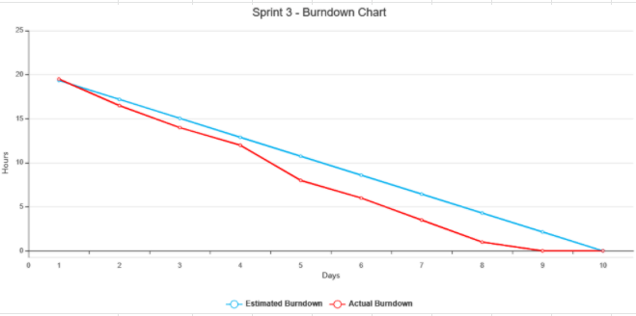
12 |  | Research on Technical[IEEE] paper and studying formats | 0.5 | 0.5 | 0.5 | 0.5 | 0.5 | 0.5 | 2020-03-27 | 2020-04-23 | 2020-04-23 | 3 | Done
13 |  | Researched and Added Literature review | 1 | 0 | 0 | 0 | 0.5 | 1.5 | 2020-03-27 | 2020-04-23 | 2020-04-23 | 3 | Done
14 |  | Abstract, Introduction, added Project Requirement | 0.5 | 0 | 0.5 | 0 | 0.5 | 0 | 2020-03-27 | 2020-04-23 | 2020-04-23 | 1.5 | Done
15 |  | Database Schema/Documentation format | 0 | 1 | 0 | 0 | 1 | 0 | 2020-03-27 | 2020-04-23 | 2020-04-23 | 2 | Done
16 |  | System Diagrams, ER Diagrams, Data Modeling | 0 | 0 | 1 | 1 | 0 | 0 | 2020-03-27 | 2020-04-23 | 2020-04-23 | 2 | Done
17 |  | Conclusion, Discussion, Summary and References | 0.5 | 0 | 1.5 | 0 | 0 | 0 | 2020-03-27 | 2020-04-23 | 2020-04-23 | 2 | Done
18 |  | Submission of deliverable 3[Technical paper] | 0.25 | 0.25 | 0.25 | 0.25 | 0.25 | 0.25 | 2020-03-27 | 2020-04-23 | 2020-04-23 | 1.5 | Done
19 |  | brainstorm/coding - Home Page | 0.5 | 3.5 | 0.5 | 0.5 | 0.5 | 0 | 2020-03-27 | 2020-04-23 | 2020-04-23 | 5.5 | Done
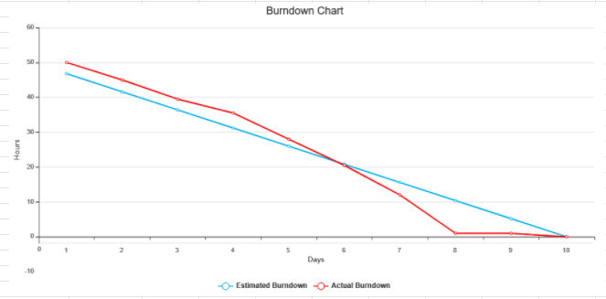
20 |  | Peer to Peer 3 Review | 1 | 0 | 0 | 0 | 0 | 0 | 2020-04-22 |  | 2020-04-23 | 1 | Done
 | Sprint3 | Actual Hours | 4.25 | 5.25 | 4.25 | 2.25 | 3.25 | 2.25 | 2020-03-27 | 2020-04-23 | 2020-04-23 | 21.5
21 |  | Product backlog/Documentation update | 1 | 1 | 1.5 | 1 | 1 | 0 | 2020-04-24 | 2020-05-14 | 2020-05-14 | 5.5 | Done
22 |  | Wiki page: Code, Techhnology tools and Project Management | 1 | 2.5 | 0.5 | 0 | 1 | 0 | 2020-04-24 | 2020-05-14 | 2020-05-14 | 5 | Done
23 |  | Wiki page: Architecture and Design, Burndown Charts, Demo | 0 | 2 | 0 | 0 | 0 | 0 | 2020-04-24 | 2020-05-14 | 2020-05-14 | 2 | Done
24 |  | coding - Home Page, About Us, Contact | 0 | 7 | 0 | 2 | 0 | 3 | 2020-04-24 | 2020-05-14 | 2020-05-14 | 12 | Done
25 |  | coding - User Signup and Login | 0 | 9.5 | 0 | 0 | 0 | 3 | 2020-04-24 | 2020-05-14 | 2020-05-14 | 12.5 | Done
26 |  | Manual Testing | 0 | 0 | 0 | 0 | 1 | 0 | 2020-04-24 | 2020-05-14 | 2020-05-14 | 1 | Done
27 |  | Draft document on design and technologies | 2 | 1 | 0 | 1 | 1 | 0 | 2020-04-24 | 2020-05-14 | 2020-05-14 | 5 | Done
28 |  | Sprint 4 documentation | 1 | 0 | 2 | 1.5 | 1.5 | 0 | 2020-04-24 | 2020-05-14 | 2020-05-14 | 6 | Done
29 |  | Retrospective documentation/mvp | 0 | 1 | 1 | 0 | 0 | 0 | 2020-04-24 | 2020-05-14 | 2020-05-14 | 2 | Done
30 |  | Peer to Peer 4 Review | 1 | 0 | 0 | 0 | 0 | 0 | 2020-05-13 |  | 2020-05-14 | 1 | Done
 | Sprint4 | Actual Hours | 5 | 24 | 5 | 5.5 | 5.5 | 6 | 2020-04-24 | 2020-05-14 | 2020-05-14 | 52
31 |  | Project1 Review | 1 | 1 | 1 | 0 | 0 | 0 | 14/08/2020 | 27/09/2020 | 27/09/2020 | 3 | Done
32 |  | Updates in Jira and its Subscription details. | 2 | 1 | 1 | 5 | 0.5 | 0.5 | 14/08/2020 | 27/09/2020 | 27/09/2020 | 10 | Done
33 |  | Discuss about what/who/action items. | 1 | 1 | 1 | 1 | 1 | 1 | 14/08/2020 | 14/08/2020 | 27/09/2020 | 6 | Done
35 |  | Discussed about files to be added to sprint 1 deliverable. | 0.5 | 0.5 | 0.5 | 0.5 | 0.5 | 0.5 | 14/08/2020 | 14/08/2020 | 27/09/2020 | 3 | Done
36 |  | MOM | 1 | 0 | 5 | 1 | 1 | 1 | 14/08/2020 | 27/09/2020 | 27/09/2020 | 9 | Done
37 |  | Scrum Meeting1 | 1 | 1 | 1 | 1 | 1 | 1 | 2020-08-09 | 2020-08-09 | 2020-08-09 | 6 | Done
38 |  | Scrum Meeting2 | 1 | 1 | 1 | 1 | 1 | 1 | 16/09/2020 | 16/09/2020 | 16/09/2020 | 6 | Done
39 |  | Scrum Meeting3 | 1 | 1 | 1 | 1 | 1 | 1 | 23/09/2020 | 23/09/2020 | 23/09/2020 | 6 | Done
40 |  | Scrum Meeting4 | 1 | 1 | 1 | 1 | 1 | 1 | 24/09/2020 | 24/09/2020 | 24/09/2020 | 6 | Done
41 |  | Scrum Meeting5/Sprint5 Final Meeting | 1 | 1 | 1 | 1 | 1 | 1 | 25/09/2020 | 25/09/2020 | 25/09/2020 | 6 | Done
42 |  | Initiated backend database works. | 0.5 | 0 | 0 | 0 | 0 | 0 | 25/09/2020 | 27/09/2020 | 27/09/2020 | 0.5 | Done
43 |  | Completed Chatbot | 0 | 4 | 0 | 0 | 0 | 0 | 25/09/2020 | 27/09/2020 | 27/09/2020 | 4 | Done
44 |  | Testing | 1 | 0 | 0 | 0 | 1 | 0 | 25/09/2020 | 27/09/2020 | 27/09/2020 | 2 | Done
45 | Project2 | Peer to Peer/Retrospective | 1 | 1 | 1 | 1 | 1 | 1 | 25/09/2020 | 27/09/2020 | 27/09/2020 | 6 | Done
 | Sprint5 | Actual Hours | 13 | 17.5 | 14.5 | 13.5 | 10 | 9 | 14/08/2020 | 27/09/2020 | 27/09/2020 | 73.5
46 |  | Brainstorming on Search Engine and Web application deployement/ Use Cases | 1 | 1 | 1 | 1 | 1 | 1 | 27/09/2020 | 27/09/2020 | 2020-10-19 | 6 | Done
47 |  | Individual Updates in Jira | 1 | 1 | 1 | 1 | 1 | 1 | 27/09/2020 | 30/09/2020 | 2020-10-19 | 6 | Done
48 |  | Brain Storming on product backlog, use cases, and acceptance criteria including work log | 1 | 1 | 1 | 1 | 1 | 1 | 27/09/2020 | 30/09/2020 | 2020-10-19 | 6 | Done
49 |  | Discussed about files to be added to the PPT. | 1 | 1 | 1 | 1 | 1 | 1 | 27/09/2020 | 30/09/2020 | 2020-10-19 | 6 | Done
50 |  | Scrum Meeting1/Cloning Github Repository | 1 | 1 | 1 | 1 | 1 | 0 | 2020-01-10 | 2020-01-10 | 2020-01-10 | 5 | Done
51 |  | Scrum Meeting2 | 1 | 0 | 1 | 1 | 0 | 0 | 13/10/2020 | 13/10/2020 | 13/10/2020 | 3 | Done
52 |  | Scrum Meeting3/Sprint6 Final Meeting | 1 | 1 | 1 | 1 | 0 | 0 | 17/10/2020 | 17/10/2020 | 17/10/2020 | 4 | Done
53 |  | Updates on Final PPT. | 2 | 2 | 2 | 1 | 1 | 0 | 2020-10-18 | 2020-10-19 | 2020-10-19 | 9 | Done
54 |  | Peer to Peer/Retrospective | 1 | 1 | 1 | 1 | 1 | 1 | 2020-10-18 | 2020-10-19 | 2020-10-19 | 6 | Done
 | Sprint6 | Actual Hours | 10 | 9 | 10 | 9 | 7 | 5 | 2020-10-18 | 2020-10-19 | 2020-10-19 | 51 | Done
55 |  | Brainstorming on Tech paper/Challenges/ Dashboard | 1 | 1 | 1 | 1 | 1 | 1 | 2020-10-20 | 2020-10-20 | 2020-09-11 | 6 | Done
56 |  | Documentations of User Manual/ Usecases/UML | 5 | 2 | 3 | 3 | 2 | 1 | 2020-10-20 | 2020-11-01 | 2020-09-11 | 16 | Done
57 |  | Jira Updates by Individuals | 3 | 1 | 1 | 1 | 1 | 1 | 2020-10-20 | 2020-10-27 | 2020-09-11 | 8 | Done
58 |  | Slides presentations/ Wiki Page updates | 1 | 1 | 1 | 1 | 1 | 1 | 2020-10-20 | 2020-11-05 | 2020-09-11 | 6 | Done
59 |  | Bug fixing/ Deployement/ Integrations of solution | 4 | 5 | 3 | 2 | 2 | 1 | 2020-10-20 | 2020-11-06 | 2020-09-11 | 17 | Done
60 |  | Scrum Meetings/Jira Configuration | 1 | 1 | 1 | 1 | 1 | 1 | 2020-03-11 | 2020-03-11 | 2020-09-11 | 6 | Done
61 |  | Scrum Meetings/Action Items | 1 | 1 | 1 | 1 | 1 | 1 | 2020-04-11 | 2020-04-11 | 2020-09-11 | 6 | Done
62 |  | Scrum Meeting | 1 | 1 | 1 | 1 | 1 | 1 | 2020-05-11 | 2020-05-11 | 2020-09-11 | 6 | Done
63 |  | Scrum Meeting | 1 | 1 | 1 | 1 | 1 | 1 | 2020-06-11 | 2020-06-11 | 2020-09-11 | 6 | Done
64 |  | Updates on Final PPT. | 1 | 1 | 1 | 1 | 1 | 1 | 2020-09-11 | 2020-09-11 | 2020-09-11 | 6 | Done
65 |  | Peer to Peer/Retrospective | 1 | 1 | 1 | 1 | 1 | 1 | 2020-09-11 | 2020-09-11 | 2020-09-11 | 6 | Done
 | Sprint7 | Actual Hours | 20 | 16 | 15 | 14 | 13 | 11 | 2020-09-11 | 2020-09-11 | 2020-09-11 | 89 | Done
66 |  | Navigo Merch | 0 | 0 | 15 | 0 | 0 | 0 | 2020-09-11 | 2020-09-11 | 2020-04-12 | 15 | Done
67 |  | Updated Database | 1 | 3 | 0 | 0 | 0 | 0 | 20/11/2020 | 2020-11-09 | 2020-04-12 | 4 | Done
68 |  | Updates on Jira/Wiki/ Jira Bibucket | 5 | 2 | 1 | 1 | 1 | 1 | 2020-09-11 | 2020-04-12 | 2020-04-12 | 11 | Done
69 |  | Scrum Meetings | 1 | 1 | 1 | 1 | 1 | 1 | 2020-11-11 | 2020-11-11 | 2020-11-11 | 6 | Done
70 |  | Scrum Meeting/AWS Integration | 1 | 1 | 1 | 1 | 1 | 1 | 16/11/2020 | 16/11/2020 | 16/11/2020 | 6 | Done
71 |  | Scrum Meeting/Sprint4 Capstone Project | 1 | 1 | 1 | 1 | 1 | 1 | 19/11/2020 | 19/11/2020 | 19/11/2020 | 6 | Done
72 |  | Scrum Meetings | 1 | 1 | 1 | 1 | 1 | 1 | 21/11/2020 | 21/11/2020 | 21/11/2020 | 6 | Done
73 |  | Scrum Meeting/ Use Cases for NavigoMerch | 2 | 1 | 1 | 1 | 1 | 1 | 28/11/2020 | 28/11/2020 | 28/11/2020 | 7 | Done
74 |  | Updates on Final PPT. | 3 | 2 | 2 | 3 | 2 | 2 | 2020-04-12 | 2020-04-12 | 2020-04-12 | 14 | Done
75 |  | Peer to Peer/Retrospective | 1 | 1 | 1 | 1 | 1 | 1 | 2020-04-12 | 2020-04-12 | 2020-04-12 | 6 | Done
 | Sprint8 | Actual Hours | 16 | 13 | 24 | 10 | 9 | 9 | 2020-04-12 | 2020-04-12 | 2020-04-12 | 81 | Done

